AttrtionMatrix
 | Yr | 1 | 2 | 3 | 4 | 5 | 6

 | Retention | 75% | 65% | 55% | 12% | 2% | 3%

 | Yr | 1 | 2 | 3 | 4 | 5 | 6 | 7 | 8 | 9 | 10

Inputs Rev | New customers | 195 | 300 | 495 | 939.19693467 | 1033.1166281 | 1136.4282909 | 1250.07112 | 1375.078232 | 1512.5860553 | 1663.8446608

 | Total Customers | 195 | 476 | 921 | 1697 | 2438 | 3136 | 3719 | 4322 | 4990 | 5724

 | Cohort Retention
 | 1 | 75% | 65% | 55% | 12% | 2% | 3%
 | 2 |  | 75% | 65% | 55% | 12% | 2% | 3%
 | 3 |  |  | 75% | 65% | 55% | 12% | 2% | 3%
 | 4 |  |  |  | 75% | 65% | 55% | 12% | 2% | 3%
 | 5 |  |  |  |  | 75% | 65% | 55% | 12% | 2% | 3%
 | 6 |  |  |  |  |  | 75% | 65% | 55% | 12% | 2%
 | 7 |  |  |  |  |  |  | 75% | 65% | 55% | 12%
 | 8 |  |  |  |  |  |  |  | 75% | 65% | 55%
 | 9 |  |  |  |  |  |  |  |  | 75% | 65%
 | 10 |  |  |  |  |  |  |  |  |  | 75%
 | 11
 | 12
 | 13
 | 14
 | 15
 | 16
 | 17
 | 18
 | 19
 | 20
 | 21
 | 22
 | 23
 | 24

 | Cohort Count
 | 1 | 146 | 127 | 107 | 23 | 4 | 6 | 6 | 6 | 6 | 6
 | 2 |  | 225 | 195 | 165 | 36 | 6 | 9 | 9 | 9 | 9
 | 3 |  |  | 371 | 322 | 272 | 59 | 10 | 15 | 15 | 15
 | 4 |  |  |  | 704 | 610 | 517 | 113 | 19 | 28 | 28
 | 5 |  |  |  |  | 775 | 672 | 568 | 124 | 21 | 31
 | 6 |  |  |  |  |  | 852 | 739 | 625 | 136 | 23
 | 7 |  |  |  |  |  |  | 938 | 813 | 688 | 150
 | 8 |  |  |  |  |  |  |  | 1031 | 894 | 756
 | 9 |  |  |  |  |  |  |  |  | 1134 | 983
 | 10 |  |  |  |  |  |  |  |  |  | 1248
 | 11
 | 12
 | 13
 | 14
 | 15
 | 16
 | 17
 | 18
 | 19
 | 20
 | 21
 | 22
 | 23
 | 24

 | Cohort Attrition
 | 1 |  | -20 | -19 | -84 | -20 | 2
 | 2 |  |  | -30 | -30 | -129 | -30 | 3
 | 3 |  |  |  | -50 | -50 | -213 | -50 | 5
 | 4 |  |  |  |  | -94 | -94 | -404 | -94 | 9
 | 5 |  |  |  |  |  | -103 | -103 | -444 | -103 | 10
 | 6 |  |  |  |  |  |  | -114 | -114 | -489 | -114
 | 7 |  |  |  |  |  |  |  | -125 | -125 | -538
 | 8 |  |  |  |  |  |  |  |  | -138 | -138
 | 9 |  |  |  |  |  |  |  |  |  | -151
 | 10
 | 11
 | 12
 | 13
 | 14
 | 15
 | 16
 | 17
 | 18
 | 19
 | 20
 | 21
 | 22
 | 23
 | 24

 | Total Attrition | 0 | -20 | -49 | -163 | -292 | -438 | -667 | -772 | -845 | -930

 | Attrition % | 0% | -4% | -5% | -10% | -12% | -14% | -18% | -18% | -17% | -16%

 | Total Customers | Total Attrition | Attrition %
 | 195 | 0 | 0
 | 475.5 | -19.5 | -0.041009463722
 | 921 | -49.5 | -0.053745928339
 | 1696.8469347 | -163.35 | -0.096266785567
 | 2438.0438693 | -291.91969347 | -0.1197352095
 | 3136.340804 | -438.13135628 | -0.13969507259
 | 3719.1027502 | -667.30917382 | -0.17942746373
 | 4322.3211976 | -771.85978466 | -0.1785752954
 | 4989.8084591 | -845.09879378 | -0.16936497677
 | 5724.0444467 | -929.60867316 | -0.16240416751

RevBuild
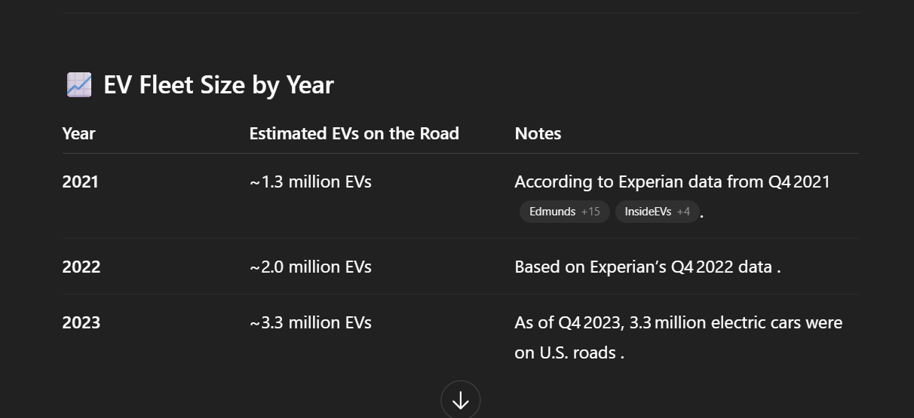

 | Activation % | 85% | Assume % of customers we could get from our potetnial pool
 | Target Revenue | $2,000,000
 | Avg. Customer Rev/Yr | $555,555 | average, each customer brings
 | Active Users | 4 EVs
 | Time to get there in yrs | 2 | we need to check this
 | Growth Rate | 90%

 | Sub Fee | Assume Price | Assume % Subs in Plan
 | Plan A | $9.00 | 55%
 | Plan B | $19.00 | 30%
 | Plan C | $20.00 | 15%

 | Price / volume build
 | Fiscal year | 2021A | 2022A | 2023A | 2024P | 2025P | 2026P | 2027P | 2028P | 2029P | 2030P
 | Fiscal year end date | 9/30/21 | 9/30/22 | 9/29/23 | 9/30/24 | 9/30/25 | 9/30/26 | 9/30/27 | 9/30/28 | 9/30/29 | 9/30/30
 | Total People who owned an EV | 1,300 EVs | 2,000 EVs | 3,300 EVs | 6,261 EVs | 6,887 EVs | 7,576 EVs | 8,334 EVs | 9,167 EVs | 10,084 EVs | 11,092 EVs | Assume Market Potential via ChatGBT | How can we model growth?

 | Activation % | 85.00% | 85.00% | 85.00% | 85.00% | 85.00% | 85.00% | 85.00% | 85.00% | 85.00% | 85.00% |  | Could add these to Sceniaro

 | NEW Number of Yearly users | 1,105 EVs | 1,700 EVs | 2,805 EVs | 5,322 EVs | 5,854 EVs | 6,440 EVs | 7,084 EVs | 7,792 EVs | 8,571 EVs | 9,428 EVs
 | NEW Yearly Number of Subscribers | 195 EVs | 300 EVs | 495 EVs | 939 EVs | 1,033 EVs | 1,136 EVs | 1,250 EVs | 1,375 EVs | 1,513 EVs | 1,664 EVs

 | Cumulative Premium Subscribers | 195 EVs | 495 EVs | 971 EVs | 1,860 EVs | 2,730 EVs | 3,574 EVs | 4,386 EVs | 5,094 EVs | 5,835 EVs | 6,654 EVs

 | Lost Users | 0 EVs | (20 EVs) | (49 EVs) | (163 EVs) | (292 EVs) | (438 EVs) | (667 EVs) | (772 EVs) | (845 EVs) | (930 EVs) | Reference Attrtion Matrix | This should cover intrest in new tech

 | Attrition % | 0% | -4% | -5% | -10% | -12% | -14% | -18% | -18% | -17% | -16%

Plan A | Revenue by Subscribers in Plan A | $965 | $2,450 | $4,804 | $9,208 | $13,513 | $17,694 | $21,713 | $25,216 | $28,883 | $32,936
Plan B | Revenue by Subscribers in Plan B | $1,112 | $2,822 | $5,532 | $10,603 | $15,561 | $20,374 | $25,003 | $29,037 | $33,259 | $37,926
Plan C | Revenue by Subscribers in Plan C | $585 | $1,485 | $2,911 | $5,581 | $8,190 | $10,723 | $13,159 | $15,283 | $17,505 | $19,961

 | Total Subscription Revenue | $2,662 | $6,757 | $13,247 | $25,392 | $37,264 | $48,792 | $59,875 | $69,536 | $79,646 | $90,822
 | % growth |  | 153.8% | 96.1% | 91.7% | 46.8% | 30.9% | 22.7% | 16.1% | 14.5% | 14.0%

 |  |  |  |  |  |  |  |  |  |  |  | CG estimates through 2020; Straight line therafter
 |  |  |  |  |  |  |  |  |  |  |  | CG estimates through 2020; Straight line therafter
 |  |  |  |  |  |  |  |  |  |  |  | CG estimates through 2020; Straight line therafter

 |  |  |  |  |  |  |  |  |  |  |  | CG estimates through 2020; WSP thereafter based on growth rate assumption
 |  |  |  |  |  |  |  |  |  |  |  | CG estimates through 2020; WSP thereafter based on growth rate assumption

 | Average selling price
 | Batteries |  |  |  |  |  |  |  |  |  |  | CG estimates through 2020; Straight line therafter
 | Services |  |  |  |  |  |  |  |  |  |  | CG estimates through 2020; Straight line therafter
 | Other products |  |  |  |  |  |  |  |  |  |  | CG estimates through 2020; Straight line therafter

 | Units % growth
 | Batteries |  | #DIV/0! | #DIV/0! | #DIV/0! | #DIV/0! | #DIV/0! | #DIV/0! | #DIV/0! | #DIV/0! | #DIV/0!
 | Services |  | #DIV/0! | #DIV/0! | #DIV/0! | #DIV/0! | #DIV/0! | #DIV/0! | #DIV/0! | #DIV/0! | #DIV/0!
 | Other products |  | #DIV/0! | #DIV/0! | #DIV/0! | #DIV/0! | #DIV/0! | #DIV/0! | #DIV/0! | #DIV/0! | #DIV/0!

 | Average selling price % growth
 | Batteries |  | #DIV/0! | #DIV/0! | #DIV/0! | #DIV/0! | #DIV/0! | #DIV/0! | #DIV/0! | #DIV/0! | #DIV/0!
 | Services |  | #DIV/0! | #DIV/0! | #DIV/0! | #DIV/0! | #DIV/0! | #DIV/0! | #DIV/0! | #DIV/0! | #DIV/0!
 | Other products |  | #DIV/0! | #DIV/0! | #DIV/0! | #DIV/0! | #DIV/0! | #DIV/0! | #DIV/0! | #DIV/0! | #DIV/0!

 | Revenue growth rate by product
 | iPhone |  | #DIV/0! | #DIV/0! | #DIV/0! | #DIV/0! | #DIV/0! | #DIV/0! | #DIV/0! | #DIV/0! | #DIV/0!
 | iPad |  | #DIV/0! | #DIV/0! | #DIV/0! | #DIV/0! | #DIV/0! | #DIV/0! | #DIV/0! | #DIV/0! | #DIV/0!
 | Mac |  | #DIV/0! | #DIV/0! | #DIV/0! | #DIV/0! | #DIV/0! | #DIV/0! | #DIV/0! | #DIV/0! | #DIV/0!
 | Services |  | #REF! | #REF! | #REF! | #REF! | #REF! | #REF! | #REF! | #REF! | #REF! | CG estimates through 2020; Straight line growth rate thereafter
 | Other products |  | #REF! | #REF! | #REF! | #REF! | #REF! | #REF! | #REF! | #REF! | #REF! | CG estimates through 2020; Straight line growth rate thereafter

 |  |  |  |  |  |  |  |  |  |  |  | "iPhone ASP will be primary driver as Apple continues to increase hardware prices."
 |  |  |  |  |  |  |  |  |  |  |  | Jeffries research note January 30, 2019

